E3.5
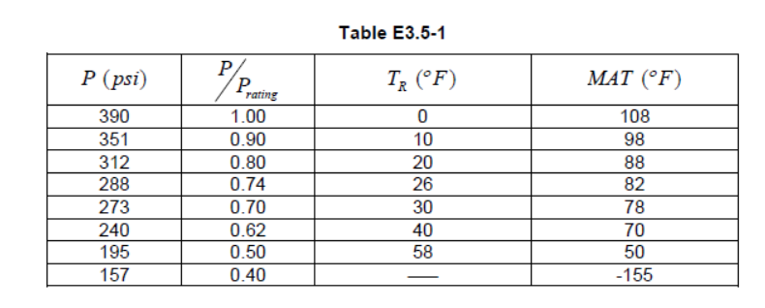
Pressure Vessel
Pressure Design | 390 | psi
Temperature Design | 300 | oF
Inside Diameter | 234 | in
Nominal Thickness | 2.72 | in
Future Corrosion Allowance | 0.0625 | in
Uniform Metal Loss | 0 | in
Weld Joint Effiiency | 1

Material | SA-204 Grade B
Examption Curve | Curve A

Pressure | 390 | psi
Temperature | 300 | oF

PWHT | no
Gr1 or P1 | yes
thk < 38 mm | yes

E3.6
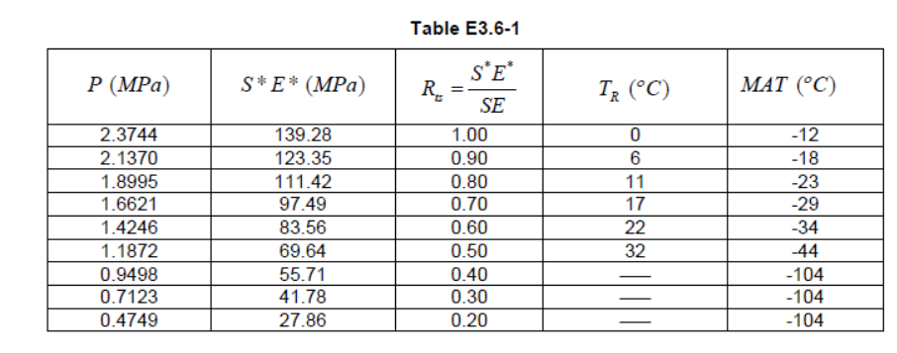
Pressure Vessel
Pressure Design | 2.3744 | MPa
Temperature Design | 93 | oC
Inside Diameter | 234 | mm
Nominal Thickness | 2.72 | mm
Future Corrosion Allowance | 0.0625 | mm
Uniform Metal Loss | 0 | mm
Weld Joint Effiiency | 1

Material | SA− 612
Examption Curve | Curve A

Pressure | 2.3744 | MPa
Temperature | 16 | oC
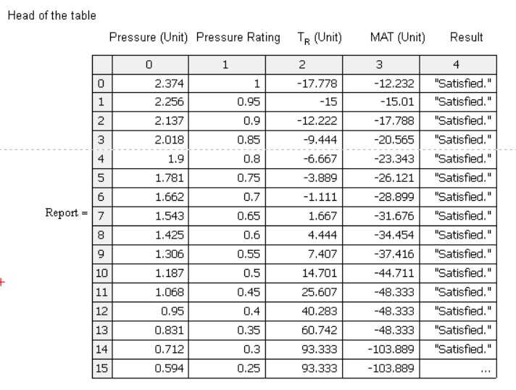
PWHT | no
Gr1 or P1 | yes
thk < 38 mm | yes

E3.7
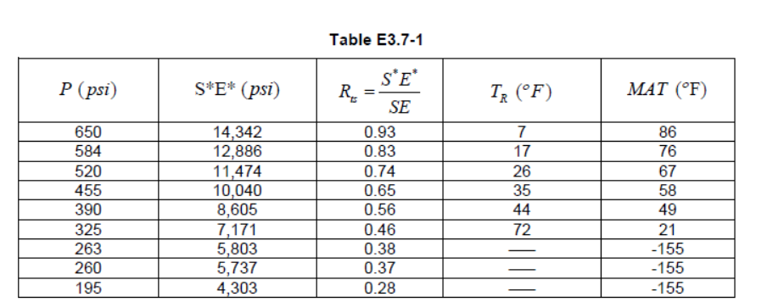
Pressure Vessel
Pressure Design | 650 | psi
Temperature Design | 300 | oF
Inside Diameter | 144 | in
Nominal Thickness | 1.7165 | in
Future Corrosion Allowance | 0.1563 | in
Uniform Metal Loss | 0 | in
Weld Joint Effiiency | 1

Material | SA− 204 Grade A
Examption Curve | Curve A
Allowable Stress | 16,250 | psi

Pressure | 390 | psi
Temperature | 300 | oF

PWHT | yes
Gr1 or P1 | no
thk < 38 mm | yes

